VA Loan Amount Calc Job Aid
CHL VA Loan Amount Calculation Worksheet Job Aid

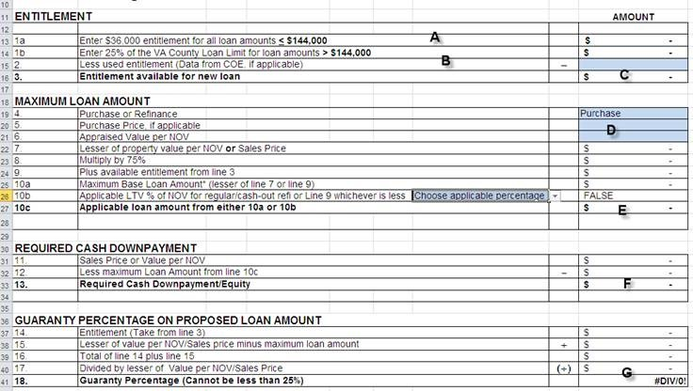 STEP 1: A- Enter True if base loan amount will be under $144,000 or False if base loan amount will be above $144,000 B- Find your State and County Limit, select from the drop down menu (If your county or state is Not listed, then you will choose the Non High Cost Counties option) STEP 2: A- This will auto populate from the information you entered in step 2 B- You will need the Certificate of Eligibility, enter any entitlement that will NOT be restored in line 2 C- This will auto populate the remaining bonus entitlement the borrower has available D- Enter the Purchase Price and NOV value in lines 5&6 (NOTE- if you do not have the NOV yet, enter the Purchase Price E- Will auto populate the base loan amount in Line 10C F- Line 13 will auto populate with the minimum down payment required G- Line 18 must be 25% or greater and this is the percentage of eligibility allowed used for entitlement.

